Sheet2

Akadiri, Warrys |  | Published | NC | 66.1
warrys.akadiri@revature.net
 | Bharati, Anshul | abharat1 | Published | 95.76 | NA
 | anshul.bharati@revature.net
 | Bush, John |  | Published | NC | 76.27
 | john.bush@revature.net
 | Campbell, Jason |  | Published | 79.66 | NA
 | jason.campbell@revature.net
 | Clark, Andrew | HellPwnage1337 | Published | 96.61 | NA
 | andrew.clark@revature.net
 | Davis, Jeremy |  | Published | NC | NC
 | jeremy.davis@revature.net
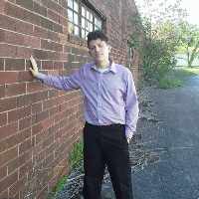
 | Dixon, Cahlen | CahlenS | Published | 89.83 | NA
 | cahlen.dixon@revature.net
 | Edward, William | wedward45 | Published | 81.36 | NA
 | william.edward@revature.net
 | Freeman, Dillon | pensiveparrot | Published | 72.88 | NA
 | dillon.freeman@revature.net
 | Fuller, Sarah |  | Published | 94.92 | NA
 | sarah.fuller@revature.net
 | Garmon, Andrew |  | Published | NC | NC
 | andrew.garmon@revature.net
 | He, Wayne | wayneh000 | Published | 88.14 | NA
 | wayne.he@revature.net
 | Hincapie, Santiago | SantiagoHR2020 | Published | 93.22 | NA
 | santiago.hincapierestrepo@revature.net
 | Ijaz, Shawn |  | Published | 74.58 | NA
 | shawn.ijaz@revature.net
 | Jones, Lisa | LisaDSJones | Published | 74.58 | NA
 | lisa.jones@revature.net
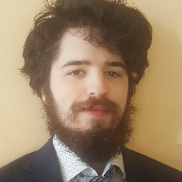
 | Linthicum, Joseph | Herson100 | Published | 77.97 | NA

 | joseph.linthicum@revature.net
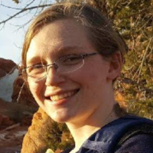
 | Lopez, Isaac | Isaacng64 | Published | 69.49 | NA
 | isaac.lopez@revature.net
 | Lostunau, Rafael |  | Published | NC | 5.08
 | rafael.loustaunau@revature.net
 | Macklin, Ryan | RyanMacklin95 | Published | NC | NC
 | ryan.macklin@revature.net
 | Mei, Canbin |  | Published | 77.97 | NA
 | canbin.mei@revature.net
 | Metli, Markus |  | Published | 77.97 | NA
 | markus.metli@revature.net

 | Patel, Nisarg |  | Submitted | 62.71 | NA
 | nisarg.patel@revature.net
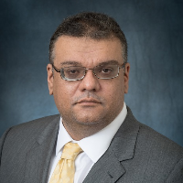
 | Patton, Anthony | tonyp3217 | Submitted | 89.83 | NA
 | anthony.patton@revature.net
 | Pigott, Nicole |  | Submitted | NC | NC
 | nicole.pigott@revature.net
 | Savidge, Matthew | mjsavidge | Published | 76.27 | NA

 | matthew.savidge@revature.net
 | Steltz, Jordan |  | Published | 88.14 | NA
 | jordan.steltz@revature.net
 | Thomas-Dukes, Christopher | chrisatd1 | Published | 88.14 | NA
 | christopheraustin.thomasdukes@revature.net
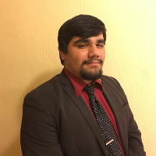
 | Threatt, Zabian |  | Published | 81.36 | NA
 | zabian.threatt@revature.net
 | Urbina, Emanuel | go-emanuel | Published | 77.97 | NA
 | emanuel.urbina@revature.net
 | Wensley, Andrew
 | andrew.wensley@revature.net

